Long term loan
Average medium and long-term loan interest rates of commercial banks, 2012-2024
 | 2012 | 2013 | 2014 | 2015 | 2016 | 2017 | 2018 | 2019 | 2020 | 2021 | 2022 | 2023 | 2024
Average medium and long-term loan interest rate | 19.00% | 16% | 12.00% | 10.00% | 11% | 8.00% | 7.00% | 11.00% | 9.00% | 6.00% | 13.00% | 9% | 8%
Average 12 month deposit rate | 11.00% | 8.00% | 7.00% | 6.50% | 6.50% | 6.50% | 6.50% | 7.00% | 6.50% | 6.50% | 7.50% | 6.00% | 5.50%

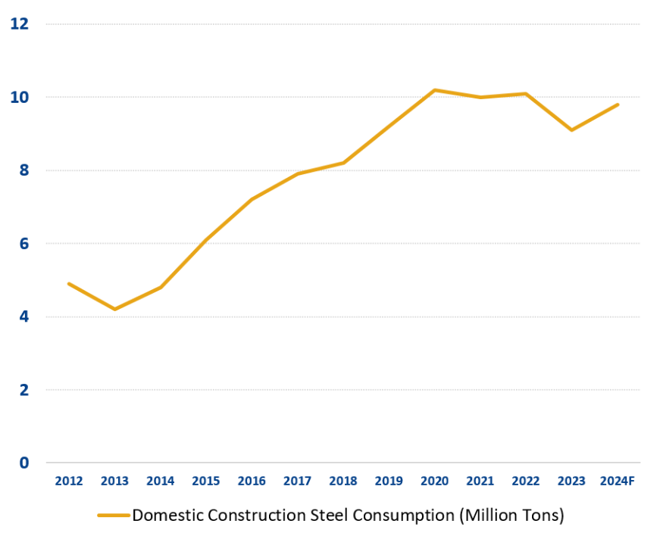

Average medium and long-term loan interest rates of commercial banks, 2012-2024

(Appen) Deposit rate
Average 12-month deposit rate of commercial banks, 2012-2024
 | 2012 | 2013 | 2014 | 2015 | 2016 | 2017 | 2018 | 2019 | 2020 | 2021 | 2022 | 2023 | 2024
Average 12 month deposit rate | 11.00% | 8.00% | 7.00% | 6.50% | 6.50% | 6.50% | 6.50% | 7.00% | 6.50% | 6.50% | 7.50% | 6.00% | 5.50%

Average 12-month deposit rate of commercial banks, 2012-2024

(Appen) Credit growth
 | Vietnam Credit growth,2009-2024F
 | 2009 | 2010 | 2011 | 2012 | 2013 | 2014 | 2015 | 2016 | 2017 | 2018 | 2019 | 2020 | 2021 | 2022 | 2023 | 2024F
Credit growth | 27.65% | 18% | 10.90% | 8.91% | 12.51% | 14.16% | 17.17% | 18.71% | 18.17% | 14% | 13.70% | 12.10% | 13.60% | 14.20% | 13.80% | 14%

Vietnam Credit growth,2009-2024F

(Appen) Pref rate
Preferential interest rates for home loans from 4 major commercial banks
Bank | 2021 | 2022 | 2023 | t7/2024
BIDV | 7.8 | 6.2 | 7.8 | 5.5
Vietinbank | 8.5 | 7.7 | 8.2 | 5.6
Vietcombank | 7.7 | 6.79 | 9.5 | 5.7
Agribank | 7.5 | 7.7 | 8 | 6.5
Preferential interest rates for home loans from 4 major commercial banks

